Coating curves
Transmission AR only
 | AR only
2500 | 98.632213504
2499 | 98.631964303
2498 | 98.709295658
2497 | 98.648670973
2496 | 98.626797145
2495 | 98.67501582
2494 | 98.686434799
2493 | 98.635301429
2492 | 98.626782572
2491 | 98.664407454
2490 | 98.676588416
2489 | 98.625705328
2488 | 98.637296275
2487 | 98.699830706
2486 | 98.682645876
2485 | 98.619216673
2484 | 98.659420416
2483 | 98.725042137
2482 | 98.670196237
2481 | 98.639780099
2480 | 98.685547281
2479 | 98.73543118
2478 | 98.669998767
2477 | 98.642075301
2476 | 98.725931771
2475 | 98.726180776
2474 | 98.649667364
2473 | 98.651625662
2472 | 98.750798231
2471 | 98.725409372
2470 | 98.635629482
2469 | 98.693054385
2468 | 98.775409761
2467 | 98.69786373
2466 | 98.646154435
2465 | 98.726284019
2464 | 98.779630638
2463 | 98.675705823
2462 | 98.660132322
2461 | 98.764384942
2460 | 98.769967228
2459 | 98.654765643
2458 | 98.679487202
2457 | 98.801090976
2456 | 98.743032112
2455 | 98.639559499
2454 | 98.73892749
2453 | 98.806541393
2452 | 98.70128666
2451 | 98.660609215
...
NFIRAOS Window Antireflection Coating
 | AR_2_mgf | AR_2_mfg_2
500 | 70.23674 | 49.331996458
502 | 68.91276 | 47.489684908
504 | 67.82777 | 46.006063832
506 | 66.97002 | 44.849835788
508 | 66.32698 | 43.992682759
510 | 65.88599 | 43.409636783
512 | 65.63466 | 43.079085933
514 | 65.56106 | 42.982525883
516 | 65.65376 | 43.104162021
518 | 65.90183 | 43.430511973
520 | 66.2948 | 43.95000507
522 | 66.82248 | 44.652438334
524 | 67.4728 | 45.525787398
526 | 68.23519 | 46.560411543
528 | 69.1018 | 47.750587632
530 | 70.06281 | 49.087973451
532 | 71.10823 | 50.563803737
534 | 72.22791 | 52.16870983
536 | 73.41142 | 53.892365864
538 | 74.64811 | 55.723403266
540 | 75.92715 | 57.649321071
542 | 77.23756 | 59.656406748
544 | 78.56831 | 61.729793363
546 | 79.90843 | 63.853571851
548 | 81.24705 | 66.010831337
550 | 82.57377 | 68.18427492
552 | 83.87861 | 70.356212155
554 | 85.15218 | 72.508937588
556 | 86.38582 | 74.625098971
558 | 87.57181 | 76.688219067
560 | 88.70332 | 78.68278979
562 | 89.77462 | 80.594823961
564 | 90.77277 | 82.396957735
566 | 91.70381 | 84.095887685
568 | 92.56541 | 85.683551285
570 | 93.35625 | 87.153894141
572 | 94.07603 | 88.502994206
574 | 94.7253 | 89.728824601
576 | 95.30548 | 90.83134518
578 | 95.81866 | 91.812156042
580 | 96.26755 | 92.67441183
582 | 96.65534 | 93.422547505
584 | 96.98561 | 94.062085471
586 | 97.26222 | 94.599394393
588 | 97.4892 | 95.041441166
590 | 97.67072 | 95.395695453
592 | 97.8109 | 95.669721588
594 | 97.91389 | 95.871298549
596 | 97.9837 | 96.008054657
598 | 98.02425 | 96.087535881
...
AR for Entrance Windows

Materion
Prototype AR used in conjunction
with dichroic (700-2400 nm).
They expect very minor
improvements can be
made in the AR coating,
especially when extending to
500 nm on the blue side.

 | LGS | MOR | NGS | I/Y-band | J-band | H-band | K-band |  |  |  |  |  | LGS | MOR | NGS | I/Y-band | J-band | H-band | K-band
 | 0.589 | 0.6-0.75 | 0.6-0.75 | 0.8-1.0 | 1.1-1.4 | 1.45-1.85 | 1.9-2.45 |  |  |  |  |  | 0.589 | 0.6-0.75 | 0.6-0.75 | 0.8-1.0 | 1.1-1.4 | 1.45-1.85 | 1.9-2.45
 | n/a | n/a | n/a | 98 | 98 | 98 | 99 |  |  |  |  |  | 98 | 96.5 | 96.5 | 96.5 | 99 | 99 | 99.5

Evaporated Coatings

They have coated small parts
for 600-2400 nm, but need
development time for a large
optic.

 | LGS | MOR | NGS | I/Y-band | J-band | H-band | K-band
 | 0.589 | 0.6-0.75 | 0.6-0.75 | 0.8-1.0 | 1.1-1.4 | 1.45-1.85 | 1.9-2.45
 | 98.5 | 98.5 | 98.5 | 98.3 | 98.6 | 98.6 | 98.6

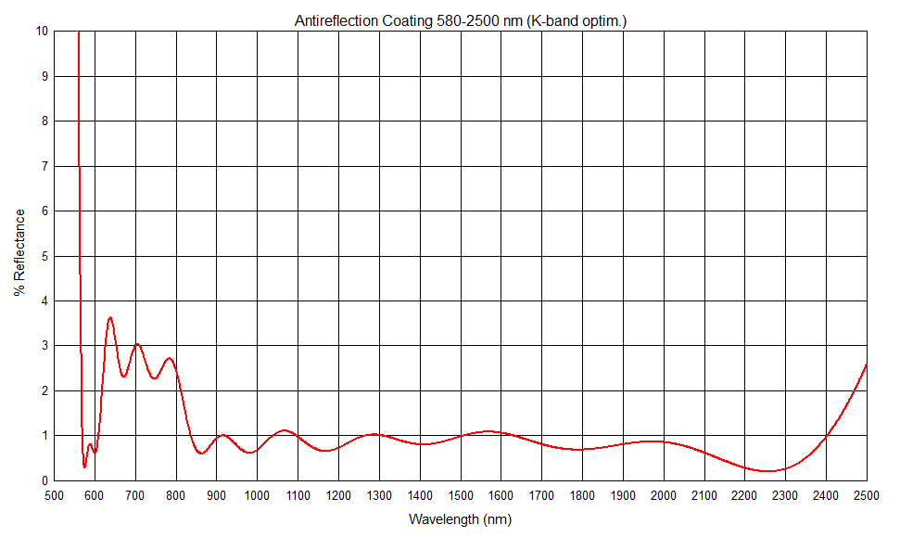
Paolo's model

 | LGS | MOR | NGS | I/Y-band | J-band | H-band | K-band
 | 0.589 | 0.6-0.75 | 0.6-0.75 | 0.8-1.0 | 1.1-1.4 | 1.45-1.85 | 1.9-2.45
 | 99.5 | 96.5 | 96.5 | 98 | 99 | 99 | 99

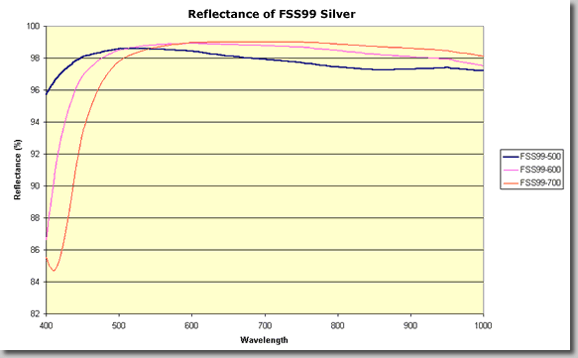

Protected silver for mirrors

Quantum makes the old Denton.
The overcoat can be adjusted to
peak performance at a given
wavelength

 | red curve: |  |  |  |  |  |  | green curve:
 | LGS | MOR | NGS | I/Y-band | J-band | H-band | K-band | LGS | MOR | NGS | I/Y-band | J-band | H-band | K-band
 | 0.589 | 0.6-0.75 | 0.6-0.75 | 0.8-1.0 | 1.1-1.4 | 1.45-1.85 | 1.9-2.45 | 0.589 | 0.6-0.75 | 0.6-0.75 | 0.8-1.0 | 1.1-1.4 | 1.45-1.85 | 1.9-2.45
 | 97.3 | 97.5 | 97.5 | 96.7 | 98.7 | 99 | 98 | 98.5 | 97.5 | 97.5 | 97.2 | 97.2 | 98.1 | 98.7

Cilas uses an unknown vendor
Reflectivity
 | Specification (minimum value) |  | Specification (goal value) |  | Typical (proposed)
0.589 | 0.96 | 0.589 | 0.96 | 0.300 | 0.164
 |  |  |  | 0.305 | 0.137
0.8 | 0.97 | 0.8 | 0.975 | 0.310 | 0.106
1 | 0.97 | 1 | 0.975 | 0.315 | 0.086
 |  |  |  | 0.320 | 0.080
1 | 0.98 | 1 | 0.985 | 0.325 | 0.232
1.5 | 0.98 | 1.5 | 0.985 | 0.330 | 0.557
 |  |  |  | 0.335 | 0.757
1.5 | 0.98 | 1.5 | 0.99 | 0.340 | 0.839
2.5 | 0.98 | 2.5 | 0.99 | 0.345 | 0.872
 |  |  |  | 0.350 | 0.883
 |  |  |  | 0.355 | 0.883
 |  |  |  | 0.360 | 0.875
 |  |  |  | 0.365 | 0.862
 |  |  |  | 0.370 | 0.845
 |  |  |  | 0.375 | 0.822
 |  |  |  | 0.380 | 0.809
 |  |  |  | 0.385 | 0.819
 |  |  |  | 0.390 | 0.847
 |  |  |  | 0.395 | 0.876
 |  |  |  | 0.400 | 0.898
 |  |  |  | 0.405 | 0.913
 |  |  |  | 0.410 | 0.925
 |  |  |  | 0.415 | 0.933
 |  |  |  | 0.420 | 0.939
 |  |  |  | 0.425 | 0.944
 |  |  |  | 0.430 | 0.948
 |  |  |  | 0.435 | 0.950
 |  |  |  | 0.440 | 0.953
 |  |  |  | 0.445 | 0.955
 |  |  |  | 0.450 | 0.956
 |  |  |  | 0.455 | 0.957
 |  |  |  | 0.460 | 0.958
 |  |  |  | 0.465 | 0.959
 |  |  |  | 0.470 | 0.960
 |  |  |  | 0.475 | 0.960
 |  |  |  | 0.480 | 0.961
 |  |  |  | 0.485 | 0.961
 |  |  |  | 0.490 | 0.961
 |  |  |  | 0.495 | 0.961
 |  |  |  | 0.500 | 0.961
 |  |  |  | 0.505 | 0.962
 |  |  |  | 0.510 | 0.963
 |  |  |  | 0.515 | 0.962
 |  |  |  | 0.520 | 0.962
 |  |  |  | 0.525 | 0.962
 |  |  |  | 0.530 | 0.962
 |  |  |  | 0.535 | 0.962
 |  |  |  | 0.540 | 0.962
 |  |  |  | 0.545 | 0.962
...
They have a proposed coating
used for GTC and space qual.
This was part of the 2013
roadmap presentation

In 2011 they sent a typical
coating curve that performs
better than the GTC

Both Sides Coated, Measured at 25° R pol, Full Scans
 | %T 25°R 1.7" LP+AR |  | %R 22°R 1.7" LP+AR |  | %T 25°R Uncoated SiO2
2500 | 93.438446045 | 2500 | 4.515079588 | 2500 | 93.080135345
2499.5 | 93.53594971 | 2499 | 4.4182225248 | 2499.5 | 93.120128635
2499 | 93.57372284 | 2498 | 4.3281952732 | 2499 | 93.055179595
2498.5 | 93.64332962 | 2497 | 4.2578731221 | 2498.5 | 93.096347805
2498 | 93.69747162 | 2496 | 4.1998775424 | 2498 | 93.10429001
2497.5 | 93.77672577 | 2495 | 4.1144447461 | 2497.5 | 93.11601639
2497 | 93.86288452 | 2494 | 4.0590680896 | 2497 | 93.15975189
2496.5 | 93.95170212 | 2493 | 3.9665314924 | 2496.5 | 93.149662015
2496 | 93.99755859 | 2492 | 3.8916506039 | 2496 | 93.195968625
2495.5 | 94.05974579 | 2491 | 3.8243717765 | 2495.5 | 93.179992675
2495 | 94.110271455 | 2490 | 3.7577290798 | 2495 | 93.158569335
2494.5 | 94.220176695 | 2489 | 3.7145542196 | 2494.5 | 93.22961426
2494 | 94.21850586 | 2488 | 3.6540003551 | 2494 | 93.16695404
2493.5 | 94.28850174 | 2487 | 3.60260273 | 2493.5 | 93.18731308
2493 | 94.37352371 | 2486 | 3.5487607648 | 2493 | 93.26240921
2492.5 | 94.39015579 | 2485 | 3.5147840414 | 2492.5 | 93.184196475
2492 | 94.44664764 | 2484 | 3.4421483696 | 2492 | 93.22813797
2491.5 | 94.47686386 | 2483 | 3.3754169201 | 2491.5 | 93.22223282
2491 | 94.552909855 | 2482 | 3.3841741325 | 2491 | 93.21400452
2490.5 | 94.57954407 | 2481 | 3.3003731554 | 2490.5 | 93.241157535
2490 | 94.690704345 | 2480 | 3.2756645637 | 2490 | 93.26361847
2489.5 | 94.738819125 | 2479 | 3.2529878699 | 2489.5 | 93.2461586
2489 | 94.76171875 | 2478 | 3.2031550986 | 2489 | 93.28889084
2488.5 | 94.83662796 | 2477 | 3.1837494057 | 2488.5 | 93.246944425
2488 | 94.882282255 | 2476 | 3.1364110299 | 2488 | 93.26451111
2487.5 | 94.91671753 | 2475 | 3.1088707818 | 2487.5 | 93.28364563
2487 | 94.959445955 | 2474 | 3.0897283508 | 2487 | 93.257484435
2486.5 | 95.0200882 | 2473 | 3.0533249569 | 2486.5 | 93.301425935
2486 | 95.074581145 | 2472 | 3.0594166475 | 2486 | 93.298656465
2485.5 | 95.09252167 | 2471 | 3.0217400647 | 2485.5 | 93.27690506
2485 | 95.11277008 | 2470 | 3.0033554004 | 2485 | 93.328838345
2484.5 | 95.18370819 | 2469 | 2.9630967689 | 2484.5 | 93.28809357
2484 | 95.25527954 | 2468 | 2.9479538774 | 2484 | 93.33898544
2483.5 | 95.257816315 | 2467 | 2.9614897942 | 2483.5 | 93.338691715
2483 | 95.291389465 | 2466 | 2.9394265547 | 2483 | 93.29434967
2482.5 | 95.347675325 | 2465 | 2.932042937 | 2482.5 | 93.317806245
2482 | 95.403987885 | 2464 | 2.890921375 | 2482 | 93.370307925
2481.5 | 95.412063595 | 2463 | 2.8696914666 | 2481.5 | 93.30688858
2481 | 95.4221611 | 2462 | 2.8999055527 | 2481 | 93.326206205
2480.5 | 95.53237152 | 2461 | 2.8716509512 | 2480.5 | 93.321010585
2480 | 95.52911377 | 2460 | 2.8408593072 | 2480 | 93.32808304
2479.5 | 95.551517485 | 2459 | 2.8381275378 | 2479.5 | 93.336200715
2479 | 95.602077485 | 2458 | 2.8287932617 | 2479 | 93.36972809
2478.5 | 95.65268326 | 2457 | 2.8462362087 | 2478.5 | 93.37088394
2478 | 95.698806765 | 2456 | 2.8458237329 | 2478 | 93.38436127
2477.5 | 95.708992005 | 2455 | 2.8302810815 | 2477.5 | 93.358924865
2477 | 95.763362885 | 2454 | 2.8233248323 | 2477 | 93.402713775
2476.5 | 95.77502441 | 2453 | 2.8460711966 | 2476.5 | 93.375831605
2476 | 95.77055359 | 2452 | 2.8382837217 | 2476 | 93.37444687
2475.5 | 95.8404274 | 2451 | 2.7992993176 | 2475.5 | 93.420036315
...

 | LGS | MOR | NGS | I/Y-band | J-band | H-band | K-band |  |  |  |  |  | LGS | MOR | NGS | I/Y-band | J-band | H-band | K-band
 | 0.589 | 0.6-0.75 | 0.6-0.75 | 0.8-1.0 | 1.1-1.4 | 1.45-1.85 | 1.9-2.45 |  |  |  |  |  | 0.589 | 0.6-0.75 | 0.6-0.75 | 0.8-1.0 | 1.1-1.4 | 1.45-1.85 | 1.9-2.45
 | 94.2 | 94.1 | 94.1 | 95 | 97 | 98 | 98.3 |  |  | REQ-NWC-1270, NWC-1470 |  |  | 96 | n/a | 96 | 97.5 | 98.5 | 99 | 99

Dichroic Beamsplitter

Materion built a prototype b/s
with a dichroic and AR coating

 | LGS | MOR | NGS | I/Y-band | J-band | H-band | K-band
 | 0.589 | 0.6-0.75 | 0.6-0.75 | 0.8-1.0 | 1.1-1.4 | 1.45-1.85 | 1.9-2.45
 | 99.5 | 99.5 | 99.5 | 97.4 | 97.2 | 96.6 | 97

GPI beamsplitter was coated
at Coastline Optics. They don't
have capabilities for our size.

The design is very similar to
what Materion presented.

 | LGS | MOR | NGS | I/Y-band | J-band | H-band | K-band
 | 0.589 | 0.6-0.75 | 0.6-0.75 | 0.8-1.0 | 1.1-1.4 | 1.45-1.85 | 1.9-2.45
 | 99.5 | 99 | 99 | n/a | 98.2 | 98.2 | 90

 | #REF!
0 | 0
0 | 0
0 | 0
0 | 0
0 | 0
0 | 0
0 | 0
0 | 0
0 | 0
0 | 0
0 | 0
0 | 0
0 | 0
0 | 0
0 | 0
0 | 0
0 | 0
0 | 0
0 | 0
0 | 0
0 | 0
0 | 0
0 | 0
0 | 0
0 | 0
0 | 0
0 | 0
0 | 0
0 | 0
0 | 0
0 | 0
0 | 0
0 | 0
0 | 0
0 | 0
0 | 0
0 | 0
0 | 0
0 | 0
0 | 0
0 | 0
0 | 0
0 | 0
0 | 0
0 | 0
0 | 0
0 | 0
0 | 0
0 | 0
0 | 0
...
Zygo also made a conceptual
coating design

We don't have the reflected data

 | LGS | MOR | NGS | I/Y-band | J-band | H-band | K-band
 | 0.589 | 0.6-0.75 | 0.6-0.75 | 0.8-1.0 | 1.1-1.4 | 1.45-1.85 | 1.9-2.45
 | n/a | n/a | n/a | 95.6 | 96 | 96.2 | 97

Detectors

E2V CCD 201
baseline for MOR TWFS

